Energy_item
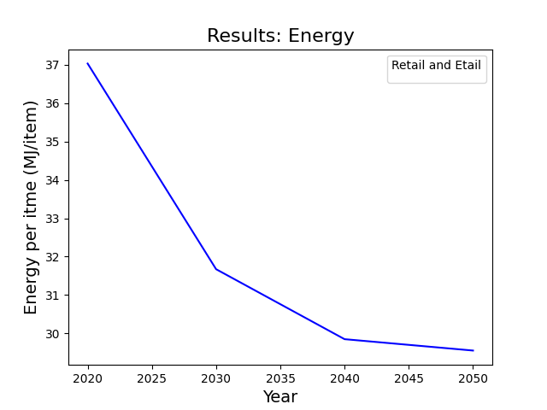
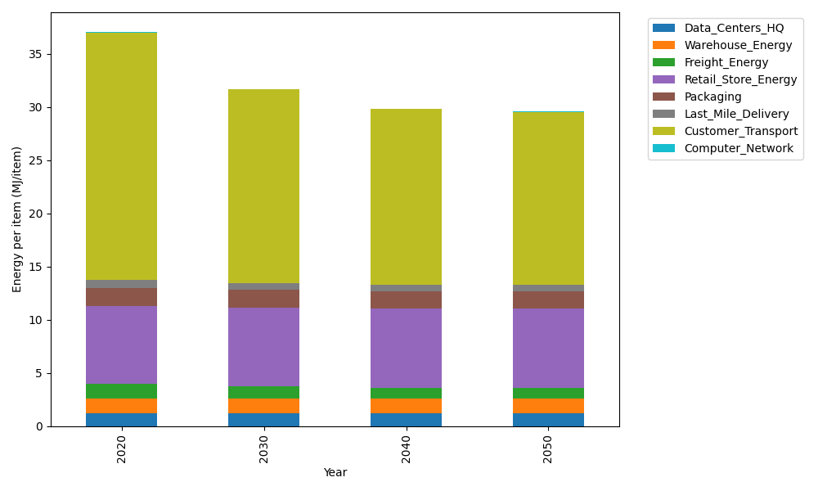
Years | Data_Centers_HQ | Warehouse_Energy | Freight_Energy | Retail_Store_Energy | Packaging | Last_Mile_Delivery | Customer_Transport | Computer_Network | Total
2020 | 1.2375150464 | 1.341704702 | 1.3803416122 | 7.3044839002 | 1.6940551041 | 0.81110807501 | 23.221829495 | 0.043095905011 | 37.03413384
2030 | 1.2352664487 | 1.3270812097 | 1.1612770684 | 7.4277871945 | 1.6408352221 | 0.63813781473 | 18.20262393 | 0.038310862219 | 31.67131975
2040 | 1.234927167 | 1.3248747309 | 1.0647790446 | 7.4463919234 | 1.6328050922 | 0.58802496626 | 16.517318825 | 0.037588866718 | 29.846710616
2050 | 1.2351867915 | 1.3265631682 | 1.051234165 | 7.4321552499 | 1.6389498922 | 0.59162296413 | 16.236153323 | 0.038141350676 | 29.550006904

CO2_item
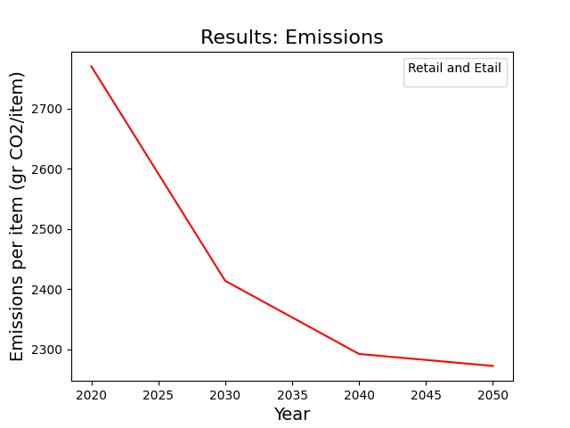
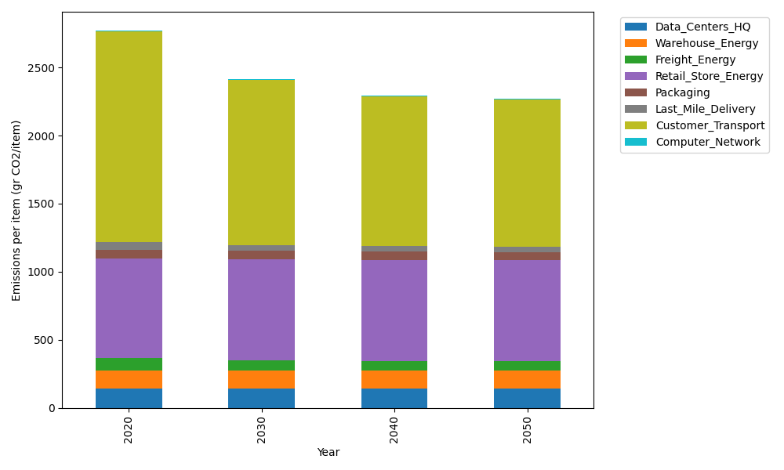
Years | Data_Centers_HQ | Warehouse_Energy | Freight_Energy | Retail_Store_Energy | Packaging | Last_Mile_Delivery | Customer_Transport | Computer_Network | Total
2020 | 140.16041816 | 133.94113517 | 93.990165387 | 728.44156535 | 65.760021002 | 55.676995384 | 1545.2795851 | 7.2692795898 | 2770.5191651
2030 | 139.86373157 | 132.47482679 | 79.037363406 | 740.73801859 | 60.45608516 | 43.803775674 | 1211.2802378 | 6.4621538572 | 2414.1161929
2040 | 139.81896575 | 132.25358152 | 72.426183074 | 742.59338003 | 59.655796014 | 40.363873004 | 1099.1328476 | 6.3403699625 | 2292.584997
2050 | 139.85322136 | 132.42288238 | 71.486666805 | 741.17362405 | 60.268191679 | 40.610850832 | 1080.4228958 | 6.4335611915 | 2272.6718941

